Sheet1
Validation Data for Platinum 3 Week Recuring Pattern
© Kenton-Dau Limited. All rights reserved.
Average Return Per Period |  |  | 3%

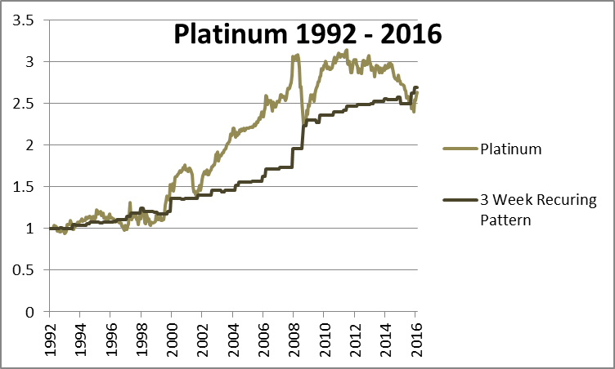
 | Returns from 1992 ordered by size of return |  |  |  | Annual returns
 | Combined | Rising Periods | Falling Periods |  | Year | Return
 | 27% | 23% | 27% |  | 1992 | 1%
 | 23% | 15% | 12% |  | 1993 | 3%
 | 15% | 9% | 6% |  | 1994 | 4%
 | 12% | 9% | 6% |  | 1995 | 0%
 | 9% | 7% | 6% |  | 1996 | 3%
 | 9% | 7% | 5% |  | 1997 | 8%
 | 7% | 5% | 3% |  | 1998 | 2%
 | 7% | 5% | 3% |  | 1999 | 0%
 | 6% | 5% | 3% |  | 2000 | 14%
 | 6% | 4% | 3% |  | 2001 | 3%
 | 6% | 4% | 3% |  | 2002 | 6%
 | 5% | 4% | 2% |  | 2003 | 0%
 | 5% | 3% | 2% |  | 2004 | 10%
 | 5% | 2% | 2% |  | 2005 | 1% | Performance
 | 5% | 2% | 1% |  | 2006 | 15% | 1992-2000
 | 4% | 2% | 1% |  | 2007 | 2% | Annual Return | 3% | Winning Periods | 70%
 | 4% | 2% | 1% |  | 2008 | 50% | STD Dev | 4%
 | 4% | 2% | 0% |  | 2009 | 6% | Pure Sharpe | 0.64
 | 3% | 1% | 0% |  | 2010 | 4% | Max Drawdown | -7%
 | 3% | 0% | 0% |  | 2011 | 7%
 | 3% | 0% | 0% |  | 2012 | 2% | 2000-2010 | 11%
 | 3% | -1% | -1% |  | 2013 | 4% | STD Dev | 13%
 | 3% | -1% | -1% |  | 2014 | 3% | Pure Sharpe | 0.86
 | 3% | -1% | -1% |  | 2015 | 7% | Max Drawdown | -4%
 | 2% | -2% | -1% |  | 2016 | 7%
 | 2% | -4% | -2% |  | Average | 6% | 2010-2016
 | 2% | -8% | -3% |  |  |  | Annual Return | 5%
 | 2% |  |  |  |  |  | STD Dev | 7%
 | 2% |  |  |  |  |  | Pure Sharpe | 0.71
 | 2% |  |  |  |  |  | Max Drawdown | -8%
 | 2%
 | 2%
 | 1%
 | 1%
 | 1%
 | 1%
 | 0%
 | 0%
 | 0%
 | 0%
 | 0%
 | 0%
 | -1%
 | -1%
 | -1%
 | -1%
 | -1%
 | -1%
 | -1%
 | -2%
 | -2%
 | -3%
 | -4%
 | -8%

 |  | Strategy | Strategy

 |  | 0.20235885787 | 0.089858102554
 |  | 0.26985104276 | 0.19932704287
 |  | 0.74989096132 | 0.45080738298
 |  | -0.43730057874 | -0.4574020825

 |  | 0.1639472847 | 0.11031936747
 |  | 0.24621574008 | 0.16753545415
 |  | 0.66586841544 | 0.65848371041
 |  | -0.2789716919 | -0.34214413082

 |  | 0.076052583707 | -0.069678403512
 |  | 0.23428584511 | 0.11636037517
 |  | 0.32461450529 | -0.59881556249
 |  | -0.43730057874 | -0.4574020825

 |  |  |  | Strategy

 |  |  |  | 0.11250075531
 |  |  |  | 0.18599201127
 |  |  |  | 0.60486874969
 |  |  |  | -0.27460277329

 |  |  |  | 0.053627917226
 |  |  |  | 0.18263219682
 |  |  |  | 0.29363889916
 |  |  |  | -0.35710246786

 |  |  |  | 0.14573098722
 |  |  |  | 0.1995482273
 |  |  |  | 0.73030459447
 |  |  |  | -0.35710246786

